WBS GRAFICA
IL FILE EXCEL CONTIENE I FOGLI RELATIVI ALLE ATTIVITA' COME DA WBS GRAFICA SOTTOSTANTE IN CUI SONO PREVISTI MAX 5 WP PER IL PROPONENTE E MAX 20 WP PER I PARTECIPANTI (SUBCO).
ESSENDO UNO STANDARD NON E' NECESSARIO RIEMPIRE TUTTI I FOGLI MA SOLO QUELLI CORRISPONDENTI ALLA WBS DEL PROGETTO SPECIFICO.
AD OGNI FOGLIO CORRISPONDE UN WPD (Work Package Description)
LO STESSO SUBCO PUO' AVERE ANCHE PIU' DI UN WP - IL COLORE NON IDENTIFICA NECESSARIAMENTE UN SINGOLO SUBCO MA UNO STESSO SUBCO PUO' UTILIZZARE PIU' FOGLI ANCHE DI DIVERSO COLORE. L'IMPORTANTE E' CHE VENGA INSERITO NELLA CELLA G5 DI OGNI FOGLIO UTILIZZATO IL CAMPO "COMPANY NAME" INTESO IN SENSO GENERALE.
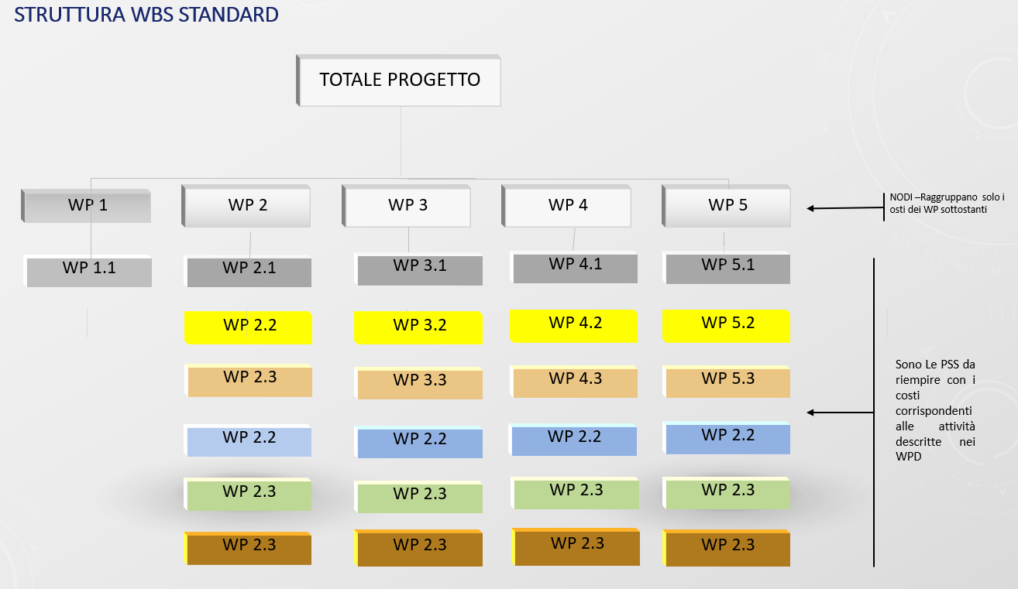
LA FIGURA SOTTOSTANTE RIPORTA LA STRUTTURA CONTENUTA NEL PRESENTE FILE
 |  | Cliccando sulla cella si va al foglio RIEPILOGO
 | PRIME
 | SUBCO
 | SUBCO
 | SUBCO
 | SUBCO
 | SUBCO

 | NB: Se necessario può essere utilizzato dallo stesso SUBCO ache il WP di colore diverso riportato nella WBS grafica

WP1.1
DESCRIZIONE INSERIMENTO DATI: Nella colonna E dei fogli è data la possibilità di inserire i valori totali delle Ore (da riga 14 a riga 28), Internal Special Facilities (da riga 31 a 36) e nella colonna D degli Altri Costi (da riga 40 a 51) ritenuti necessari per svolgere le attività descritte nel WPD. Nella colonna H inserire quanto del totale contenuto nelle colonne E e D intendo cofinanziare
 |  |  | Ritorna a WBS

COMPANY PRICE BREAKDOWN FORM |  | FORM N° | PSSA3 Issue 3 | PAGE Nr. | 1 |  | Nr. of pages | 1
RFQ/ITT No.: |  |  |  | COMPANY NAME: | UNIVERSITA DI …….
Prop,/Tender N° |  | Date: |  | Name and Title:
Economic Condition |  | Type of Price: |  | Signature:
 |  |  | SUPPLIES AND/OR SERVICES TO BE FURNISHED:
Inserire in ogni foglio la descrizione del WP

 |  |  | WP 1.1 | PRIME
LABOUR |  |  | Total effort | Gross hourly | TOTAL COST WP | AutoFin. In | Autofin | Cost NO Autofin
Direct Labour cost centers of categories |  |  | in manhours | rates in Euro. | Euro | manhours | Euro | Euro
 |  |  | 0 | 0.00 | 0 | 0 | 0 | 0
 |  |  | 0 | 0.00 | 0 | 0 | 0 | 0
 |  |  | 0 | 0.00 | 0 | 0 | 0 | 0
 |  |  | 0 | 0.00 | 0 | 0 | 0 | 0
 |  |  | 0 | 0.00 | 0 | 0 | 0 | 0
 |  |  | 0 | 0.00 | 0 | 0 | 0 | 0
 |  |  | 0 | 0.00 | 0 | 0 | 0 | 0
 |  |  | 0 | 0.00 | 0 | 0 | 0 | 0
 |  |  | 0 | 0.00 | 0 | 0 | 0 | 0
 |  |  | 0 | 0.00 | 0 | 0 | 0 | 0
 |  |  | 0 | 0.00 | 0 | 0 | 0 | 0
 |  |  | 0 | 0.00 | 0 | 0 | 0 | 0
 |  |  | 0 | 0.00 | 0 | 0 | 0 | 0
 |  |  | 0 | 0.00 | 0 | 0 | 0 | 0
 |  |  | 0 | 0.00 | 0 | 0 | 0 | 0
1 TOTAL DIRECT LABOUR HOURS AND COST |  |  | 0 |  | - | - | - | -
INTERNAL SPECIAL FACILITIES (if applicable) |  | Type of Unit | N° of unit | Unit rates in N.C. |  | AutoFin.Unit
 |  |  |  |  |  |  | 0 | 0
 |  |  |  |  |  |  | 0 | 0
 |  |  |  |  |  |  | 0 | 0
 |  |  |  |  |  |  | 0 | 0
 |  |  |  |  |  |  | 0 | 0
 |  |  |  |  |  |  | 0 | 0

2 Total Internal Special Facilities cost |  |  |  |  | - | - | - | -
OTHER COST ELEMENTS |  | Amounts in N.C. | MH% | X Amounts =
3. 1 Raw Materials |  |  | 0.00% |  |  |  | 0 | 0
3. 2 Mechanical parts |  | - | 0.00% |  |  |  | 0 | 0
3. 3 Semi finished products |  | - | 0.00% |  |  |  | 0 | 0
3. 4 Electi.-electron.components |  | - | 0.00% |  |  |  | 0 | 0
3. 5 Hirel parts
a) procured,company |  | - | 0.00% |  |  |  | 0 | 0
b) procured by third party |  | - | 0.00% |  |  |  | 0 | 0
3. 6 External Major Product |  | - | 0.00% |  |  |  | 0 | 0
3. 7 External Services |  | - | 0.00% |  |  |  | 0 | 0
3. 8 Transport insurance |  | - | 0.00% |  |  |  | 0 | 0
3. 9 Travels |  | - | 0.00% |  |  |  | 0 | 0
3.10 Miscellanous |  | - | 0.00% |  |  |  | 0 | 0
3 TOTAL OTHER DIRECT COSTS |  |  |  |  | - | - | 0 | -
4 SUB-TOTAL COST |  |  |  |  | - |  | - | -
GENERAL EXPENSES |  | Cost item to which % applies | Base in NC to which % applies | %
5 General & Admin.Expenses (if applicable) |  |  | 1. LABOUR |  |  |  | 0 | 0
6 Research & Develop. Exp. (if applicable) |  |  |  |  |  |  | 0 | 0
7 Other (if applicable) |  |  |  |  |  |  |  | 0
 | (to be specified) |  |  |  |  |  |  | 0
8 Total Cost of All Work Packages |  |  |  |  | - |  | - | -
9
10 Sub-total |  |  |  |  | - |  | - | -
11 Profit ()
12
13
14 Total |  |  |  |  | - |  | - | -
15 |  |  |  |  | 0
16 TOTAL PRICE FOR ASI |  |  |  |  | - |  | - | -

